Draft
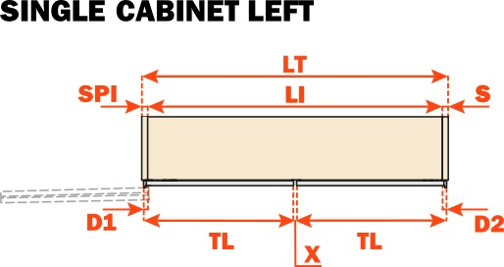
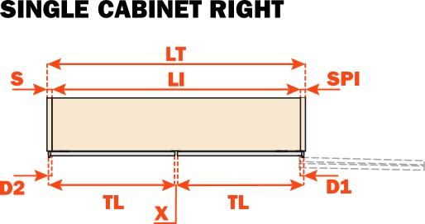
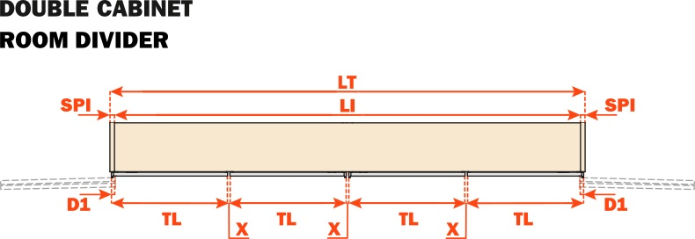

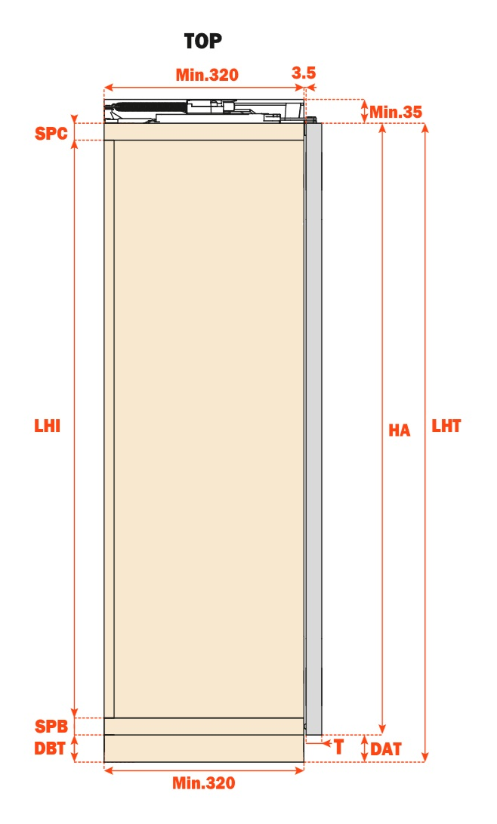

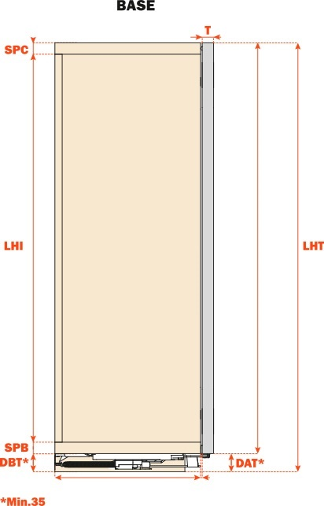

ENG

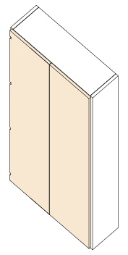
Contact name |  |  |  |  | Wood
Company
Distributor
Date
Project
Top/Base |  |  |  | 0
Opening |  |  |  | 0
Hinges |  |  |  | 0
Finish |  |  |  | 0
Door type |  |  |  | 0
HA | Door height (mm) – min 600 mm max 2800 mm |  |  | 0
DAT | Door distance from the floor - min recommended 17 mm |  |  | 0 | Wood + Aluminum Side Profiles
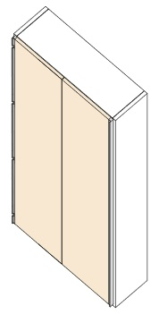
LHT | Total cabinet height (mm) | 0.00 | 0 | 1
SPC | Top panel thickness (mm) – min 18 mm |  |  | 0
SPB | Bottom panel thickness (mm) • min 18 mm |  |  | 0
DBT | Base height (mm) - min 35 mm |  |  | 0
LHI | Internal cabinet height (mm) | 0 | 0 | 1
TL | Door width (mm) – min 350 mm max 750 mm |  |  | 0
X | Reveal between doors (mm) |  |  | 0
SPI | Central panel thickness (mm) – min 16 (mm) |  |  | 0
D1 | Internal door overlay (hinged side) on SPI (mm) |  |  | 0 |  |  |  | Conecta DQG3B |  |  | Conecta DQG5B |  | CM + H0 / CM + H6
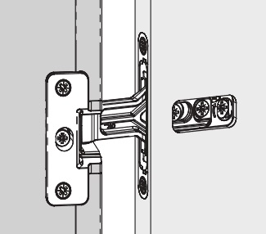
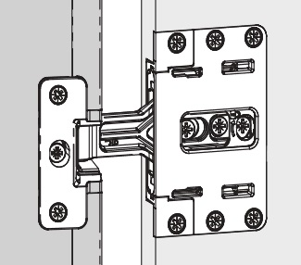
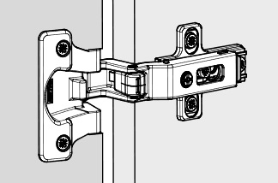
S | Side panel thickness (mm) - min 18 mm |  |  | 1
D2 | Overlap on exterior side SPE (mm) • max 27,5 mm |  |  | 1 | Aluminum frame
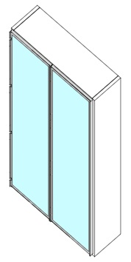
LT | Total cabinet width (mm) | 0 | 2 | 1
LI | Internal cabinet width (mm) | 0 | 0 | 1
T | Door thickness (mm) – min 18 mm max 25 mm |  |  | 0
W | Max weight for two doors (kg) |  | 0 | 1
Code | Description | Qty |  |  |  |  |  |  |  |  |  | D1 H0: | 18 mm
VE79KITB050AA | FOLDER BASE KIT 1 (350-500) R | 1 |  |  |  | D1: | 12,5 - 13,5 - 14,5 - 15,5 - 16 mm |  | D1: | 10 mm |  | D1 H6: | 12 mm
VE79KITB060AA | FOLDER BASE KIT 1 (350-500) L | 1 |  | 7 |  | SPI min: |  | 19 mm | SPI min: |  | 19 mm | SPI min: | 18 mm
VE79KITX610TB | KIT 2 CONECTA HING. DQG5B TITANIUM
VE79KITE710TA | KIT ALUM. PROF. FOR WOOD DOORS TITAN. | 2

VE79KITX0351B | DAMPING KIT1 FOR SMALL DOORS | 2

